SHT-STS RRP USD 2025-2026
Humidity & Temperature Sensors: Broadline Distribution Recommended Resale Prices, USD
Last revision: Natalja Fischer |  | 2025-07-25
Humidity and Temperature Sensors, USD

Humidity and Temperature Sensors, USD |  | Recommended Resale Prices
Product | Currency | 1 | 10 | 50 | 100 | 200 | 500 | 1,000 | 2,500 | 5,000 | 10,000 | 20,000 | 30,000 | 60,000
SHT30A-DIS-B | USD | 2.45 | 2.41 | 2.36 | 2.31 | 2.26 | 2.18 | 2.10 | 1.92 | 1.75 | 1.56 | 1.36 | 1.26 | 1.10
SHT30-DIS-B | USD | 1.87 | 1.84 | 1.80 | 1.76 | 1.72 | 1.67 | 1.60 | 1.47 | 1.34 | 1.19 | 1.04 | 0.96 | 0.84
SHT30-DIS-F | USD | 2.64 | 2.61 | 2.57 | 2.53 | 2.48 | 2.42 | 2.35 | 2.21 | 2.06 | 1.90 | 1.74 | 1.65 | 1.52
SHT30-DIS-P | USD | 2.37 | 2.34 | 2.30 | 2.25 | 2.21 | 2.15 | 2.08 | 1.93 | 1.79 | 1.63 | 1.46 | 1.38 | 1.25
SHT31A-DIS-B | USD | 3.67 | 3.62 | 3.54 | 3.46 | 3.38 | 3.28 | 3.15 | 2.88 | 2.62 | 2.34 | 2.04 | 1.89 | 1.65
SHT31-DIS-B | USD | 3.06 | 3.02 | 2.95 | 2.88 | 2.82 | 2.73 | 2.62 | 2.40 | 2.19 | 1.95 | 1.70 | 1.58 | 1.37
SHT31-DIS-F | USD | 3.66 | 3.62 | 3.55 | 3.49 | 3.42 | 3.34 | 3.23 | 3.01 | 2.79 | 2.55 | 2.30 | 2.18 | 1.98
SHT31-DIS-P | USD | 3.39 | 3.35 | 3.28 | 3.22 | 3.15 | 3.06 | 2.95 | 2.74 | 2.52 | 2.28 | 2.03 | 1.91 | 1.70
SHT35A-DIS-B | USD | 6.47 | 6.44 | 6.43 | 6.39 | 6.36 | 6.28 | 6.15 | 5.83 | 5.34 | 4.69 | 4.05 | 3.64 | 3.16
SHT35-DIS-B | USD | 5.40 | 5.37 | 5.36 | 5.33 | 5.30 | 5.23 | 5.13 | 4.86 | 4.45 | 3.91 | 3.37 | 3.03 | 2.63
SHT35-DIS-F | USD | 6.00 | 5.97 | 5.96 | 5.93 | 5.90 | 5.84 | 5.73 | 5.46 | 5.06 | 4.52 | 3.98 | 3.64 | 3.23
SHT40-AD1B | USD | 1.37 | 1.34 | 1.32 | 1.29 | 1.26 | 1.21 | 1.14 | 1.02 | 0.93 | 0.84 | 0.77 | 0.71 | 0.64
SHT40A-XXXX | USD | 3.05 | 2.96 | 2.79 | 2.62 | 2.44 | 1.92 | 1.57 | 1.48 | 1.44 | 1.40 | 1.26 | 1.11 | 0.98
SHT40I-XXXB-Analog | USD | 1.85 | 1.82 | 1.78 | 1.74 | 1.71 | 1.63 | 1.54 | 1.37 | 1.26 | 1.14 | 1.04 | 0.96 | 0.86
SHT40I-XXXB-Digital | USD | 1.79 | 1.76 | 1.72 | 1.69 | 1.65 | 1.58 | 1.49 | 1.33 | 1.22 | 1.10 | 1.01 | 0.93 | 0.83
SHT40I-XXXF-Analog | USD | 2.06 | 2.02 | 1.98 | 1.94 | 1.91 | 1.83 | 1.74 | 1.57 | 1.46 | 1.34 | 1.24 | 1.16 | 1.06
SHT40I-XXXF-Digital | USD | 2.00 | 1.96 | 1.92 | 1.89 | 1.85 | 1.78 | 1.69 | 1.53 | 1.42 | 1.31 | 1.21 | 1.13 | 1.03
SHT40-XXXF | USD | 1.70 | 1.67 | 1.64 | 1.61 | 1.58 | 1.52 | 1.44 | 1.31 | 1.22 | 1.12 | 1.04 | 0.97 | 0.90
SHT40-XXXP | USD | 1.71 | 1.68 | 1.65 | 1.62 | 1.59 | 1.53 | 1.46 | 1.32 | 1.24 | 1.14 | 1.06 | 0.99 | 0.91
SHT41-AD1B | USD | 2.17 | 2.13 | 2.08 | 2.04 | 1.99 | 1.91 | 1.80 | 1.61 | 1.47 | 1.33 | 1.22 | 1.12 | 1.01
SHT41A-XXXX | USD | 3.81 | 3.71 | 3.49 | 3.27 | 3.05 | 2.40 | 1.96 | 1.85 | 1.80 | 1.74 | 1.58 | 1.38 | 1.22
SHT41I-XXXB | USD | 2.42 | 2.37 | 2.33 | 2.28 | 2.23 | 2.13 | 2.01 | 1.79 | 1.65 | 1.49 | 1.36 | 1.25 | 1.12
SHT41-XXXF | USD | 2.37 | 2.33 | 2.28 | 2.24 | 2.20 | 2.11 | 2.00 | 1.81 | 1.68 | 1.54 | 1.42 | 1.32 | 1.21
SHT41-XXXP | USD | 2.39 | 2.34 | 2.30 | 2.26 | 2.21 | 2.13 | 2.02 | 1.82 | 1.69 | 1.55 | 1.43 | 1.34 | 1.22
SHT43 | USD | 4.91 | 4.80 | 4.69 | 4.58 | 4.47 | 4.25 | 3.98 | 3.49 | 3.16 | 3.09 | 2.76 | 2.50 | 2.18
SHT45-AD1B | USD | 4.10 | 4.02 | 3.93 | 3.85 | 3.77 | 3.61 | 3.40 | 3.03 | 2.79 | 2.52 | 2.30 | 2.12 | 1.90
SHT45-XXXF | USD | 4.30 | 4.22 | 4.14 | 4.05 | 3.97 | 3.81 | 3.60 | 3.23 | 2.99 | 2.72 | 2.50 | 2.32 | 2.10
SHT43 DemoBoard | USD | 26.20 | na | na | na | na | na | na | na | na | na | na | na | na
SHT85 | USD | 28.47 | 23.87 | 23.04 | 21.51 | 20.66 | 19.30 | 16.16 | 14.30 | 13.55 | 12.80 | 11.41 | 10.58 | 9.57
SHTC3 | USD | 1.41 | 1.38 | 1.35 | 1.33 | 1.30 | 1.24 | 1.20 | 1.16 | 1.11 | 1.02 | 0.93 | 0.73 | 0.65
STS40 | USD | 1.08 | 1.03 | 0.96 | 0.89 | 0.77 | 0.58 | 0.49 | 0.41 | 0.36 | 0.32 | 0.28 | 0.26 | 0.23
STS4L-AD1B | USD | 0.87 | 0.82 | 0.77 | 0.71 | 0.62 | 0.47 | 0.39 | 0.33 | 0.29 | 0.25 | 0.22 | 0.21 | 0.18
STS41A-XXXB | USD | 1.21 | 1.15 | 1.07 | 1.00 | 0.88 | 0.83 | 0.76 | 0.71 | 0.62 | 0.55 | 0.39 | 0.30 | 0.27
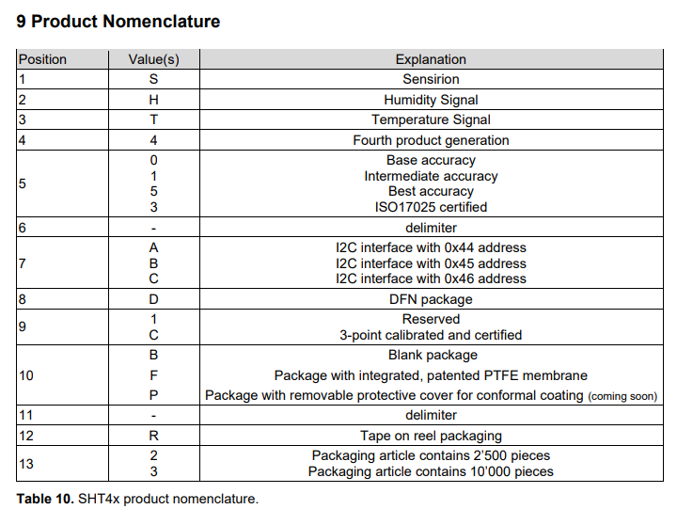
Sensirion Evaluation kits:
SEK-SensorBridge | 1 | USD | 71.76
SEK-SHTxx-Sensors | 1 | USD | 41.54

 |  |  |  |  | EOL, replaced by SEK-SVM4x |  |  |  |  | SVM40 - VOC Sensor development board with SGP40 and on-board RH/T sensor incl. USB cable
 |  |  |  |  |  |  |  |  |  | SVM4x - VOC Sensor development board with SGP41 and on-board RH/T sensor incl. USB cable

Liquid Flow RRP 2025-2026 USD
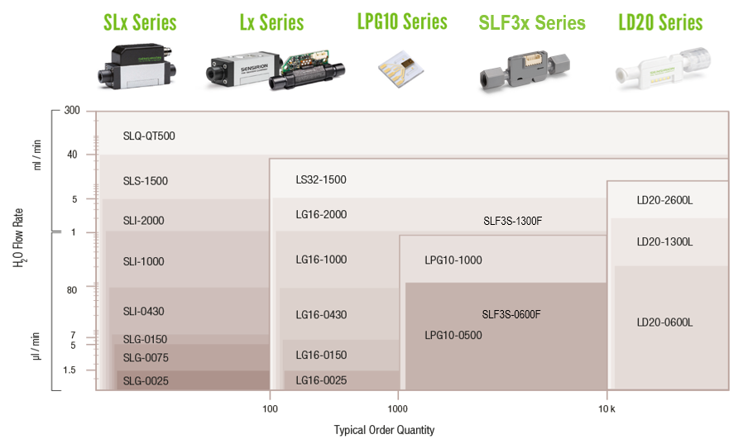
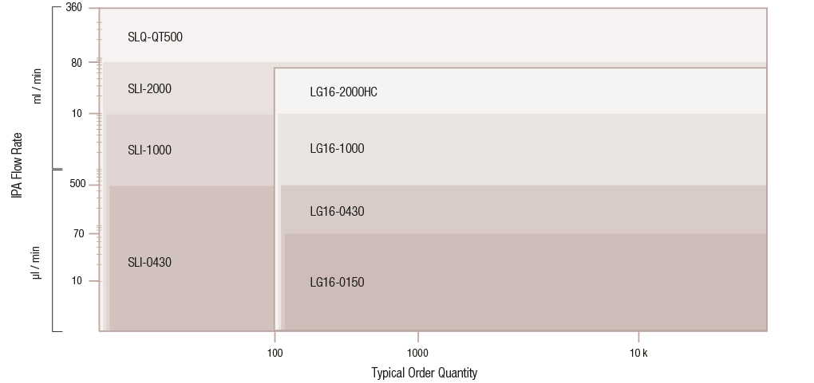
Liquid Flow Sensors: Broadline Distribution Recommended Resale Price, USD
Last revision: Sandra Komaromi |  |  | 2025-07-29

Confidential - Price List Not To Be Shown To Customers

SLQ-QT500 Liquid Flow Meters

 |  |  | Volume | 1 | 3 | 5 | 20 | 60 | 240 | 1,000
 |  | Target | Resale Price USD |  |  | 1339.03 | 1205.13 | 1034.62 | 873.28 | 753.21
SLQ-QT500 | 1 tray = 5 pcs
(1-100963-01, Sensor only, no accessories )
 |  |  |  |  | 4 | 12 | 25 | 150 | 500 | 1,000
SLQ-QT105 | 1 tray = 4 pcs | Target | Resale Price USD |  | 1934.73 | 1811.24 | 1737.18 | 1520.15 | 1289.82 | 1120.11
(1-100808-01)
Sensor incl. Pillar super 300 fitting nut and sleeve
Flow Meter Kit | 1 box = 1 pce | Target | Resale Price USD | 1684.84
SLQ-QT500
(1-101004-01)
SLQ-QT500 sensor, SCC1-USB 2m cable
SCC1-Analog 2m cable
viewer software (download)

No Flow Meter Kit for the SLQ-QT105 available, order cables separately

SLI and SLS Liquid Flow Meters

 |  |  | Volume | 1 | 3 | 8 | 50 | 100 | 200 | 500
SLI | SLI: 1 box = 8 pcs | Target | Resale Price USD |  |  | 1193.11 | 903.87 | 764.82 | 757.82 | 661.37
 |  |  |  |  |  | 10 | 50 | 100 | 250 | 500
SLS-1500 | SLS: 1 box = 10 pcs | Target | Resale Price USD |  |  | 1171.03 | 868.83 | 748.16 | 612.13 | 538.67
(see article list below)
Sensor only, no accessories
Flow Meter Kit | 1 box = 1 pce |  | Volume | 1
SLI or SLS | FlowMeterKit SLI-xxxx | Target | Resale Price USD | 1560.22
(see arcticle list below)
selected sensor, SCC1-USB 2m cable | FlowMeterKit SLS-1500 | Target | Resale Price USD | 1476.27
SCC1-Analog 2m cable, set of fluidic fittings
viewer software (download)

SLG-0150 Liquid Flow Meters

 |  |  | Volume | 1 | 3 | 10 | 50 | 120 | 250 | 500
 | 1 box = 10 pcs | Target | Resale Price USD |  |  | 1647.44 | 1304.22 | 1181.18 | 1079.35 | 1026.27
SLG-0150
(1-101374-01)
Sensor only, no accessories

LS32-1500 Liquid Flow Meters

 |  |  | Volume | 1 | 3 | 10 | 50 | 100 | 250
 |  | Target | Resale Price USD |  |  | 953.65 | 614.57 | 595.52 | 527.18
LS32-1500 | 1 box = 10 pcs
(1-101127-01)
Sensor only, no accessories
Corresponding Flow Meter Kit | 1 box = 1 pce |  | Resale Price USD | 1476.28
SLS-1500 (1-101154-01)
(see arcticle list below)
selected sensor, SCC1-USB 2m cable
SCC1-Analog 2m cable, set of fluidic fittings
viewer software (download)

SLF3S-1300F and SLF3S-0600F Liquid Flow Sensor

 |  |  | Volume | 1 - 3 |  | 50 | 100 | 250 | 500 | 1,000
 |  | Target | Resale Price USD |  |  | 157.42 | 141.68 | 125.94 | 97.15 | 79.08
(3.000.091) | 1 tray = 50 pcs
SLF3S-0600F
(3.000.391)
SLF3S Evaluation Flow Meter Kit | 1 box = 1 pce | Target | Resale Price USD
(3.000.120 or 3.000.392) |  |  | per unit | 277.47
Sensor, SCC1-USB 2m cable
SLF3x mounting clamp
Adapter cables, fluidic fittings
Viewer software (download)

SLF3C-1300F Liquid Flow Sensor

 |  |  | Volume | 1 - 49 |  | 50 | 100 | 250 | 500 | 1,000
SLF3C-1300F |  | Target | Resale Price USD |  |  | 196.23 | 176.61 | 157.68 | 121.80 | 100.92
(3.000.570) | 1 tray = 50 pcs

SLF3C Evaluation Flow Meter Kit | 1 box = 1 pce | Target | Resale Price USD | 387.84
(3.000.120 or 3.000.392) |  |  | per unit
Sensor, SCC1-USB 2m cable
SLF3x mounting clamp
Adapter cables, fluidic fittings
Viewer software (download)

LD20-2600B Liquid Flow Sensor

 |  |  | Volume | 1 - 10 |  | 50 | 100 | 250 | 500 | 1,000 | 2,000
LD20-2600B |  | Target | Resale Price USD
(1-101564-02) | 1 tray = 50 pcs
SEK-LD20, Evaluation Kit for LD20-2600B |  | Target | Resale Price USD
3 sensors, 3 base stations | 1 box = 1 pce |  | per unit | 471.87
w/o SCC1-USB cable (1-101007-01)!
Base station for LD20 sensors | 1 box = 1 pce | Target | Resale Price USD | 49.83
(1-101481-02) |  |  | per unit
(to clip-in LD20 sensor, with M8-connector)

LG16 Liquid Flow Meters

 |  |  | Volume | 25 | 100 | 250 | 500 |  | Product |  | Article number | Corresponding evaluation kit | Article number
 |  | Target | Resale Price USD | 602.49 | 502.08 | 421.74 | 363.57 |  | LG16-0430D |  | 1-100853-02 | FlowMeterKit SLI-0430 | 1-100893-01
LG16 | 1 tray = 25 pcs |  |  |  |  |  |  |  | LG16-0431D |  | 3.000.334 | FlowMeterKit SLI-0430 | 1-100893-01
(see article list below) |  |  |  |  |  |  |  |  | LG16-1000D |  | 1-100406-01 | FlowMeterKit SLI-1000 | 1-100835-01
Sensor only, no accessories |  |  |  |  |  |  |  |  | LG16-2000D |  | 1-100404-01 | FlowMeterKit SLI-2000 | 1-100894-01
LG16 Flow Meter Kit | 1 box = 1 pc |  | Resale Price USD
use SLI or SLG evaluation kits, depending on flow rate

Accessories LG16 Liquid Flow Sensors
 |  |  | Resale Price USD
5-pin Molex-to-pigtail ribbon cable | 25 pc MOQ | 1-100482-01 | 6.75
(Barb connectors, ribbon cable) For LG16-0431, LG16-1000, LG16-2000 only!

SCC1 Sensor Cable Price List

 |  |  |  |  |  | Qty | RRP USD
SCC1-RS485 2m | 1-100804-01 | SCC1-RS485 Sensor Cable Pigtail 2m |  |  |  | 1+ | 79.71
SCC1-RS485 5m | 1-101122-01 | SCC1-RS485 Sensor Cable Pigtail 5m |  |  |  | 1+ | 97.42

SCC1-ANALOG 2m | 1-101072-01 | SCC1-ANALOG Sensor Cable Pigtail 2m |  |  |  | 1+ | 79.71
SCC1-ANALOG 10m | 1-101219-01 | SCC1-ANALOG Sensor Cable Pigtail 10m |  |  |  | 1+ | 125.26

SCC1-CURRENT 5m | 1-101667-01 | SCC1-Current 0-20mA Sensor Cable Pigtail 5m |  |  |  | 1+ | 97.42

SCC1-USB | 1-101007-01 | SCC1-USB Sensor Cable 2m |  |  |  | 1+ | 98.69

SFC RRP USD 2025-2026
Mass Flow Controller: Broadline Distribution Recommended Resale Prices, USD
Please configure and order with the Sensirion SFX5400 order form.
Last revision: Nikola Orbeta |  |  | 2025-07-28

Confidential - Price List Not To Be Shown To Customers

Sensirion Flow Controller or Flow Meter embedded Order Form
Please open SFX5400 Orderform.pdf below for easy selection and calculation:
 | USD_SFX5400_OrderForm.pdf
 | double click on the box on the right

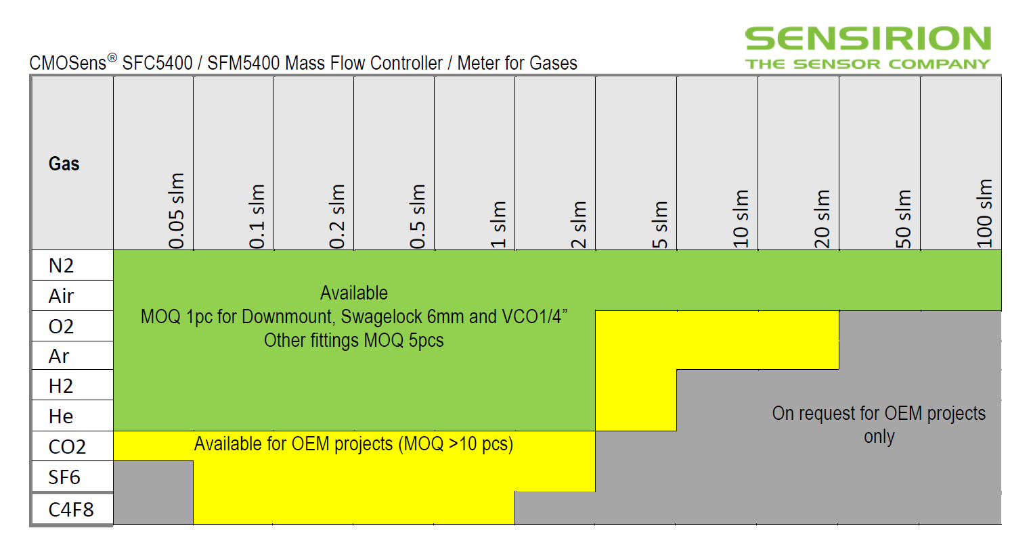

 | SFC5500 Mass Flow Controllers
 |  | Minimum tray size delivered from Staefa |  | Volume | 1 | 5 | 10 | 25 | 50 | 100
 | SFC5500/ SFC5500-200slm | 1 | Target | USD | 1778.15 | 1506.91 | 1395.29 | 1291.93 | 1097.74 | 1016.43

 | SFC5500-200slm |  |  | USD | 1876.03 | 1589.86 | 1472.09 | 1363.05 | 1262.08 | 1168.59

 | SFC6000 Mass Flow Controllers
 |  | Minimum tray size delivered from Staefa |  | Volume | 1 | 100 | 500 | 1,000 | 2,000 | 5,000
 | SFC6000 | 1 | Target | USD | 323.79 | 303.28 | 293.03 | 284.23 | 269.41 | 252.49

